Sheet1
Left Chest |  | Example | Your Customization | Remarks
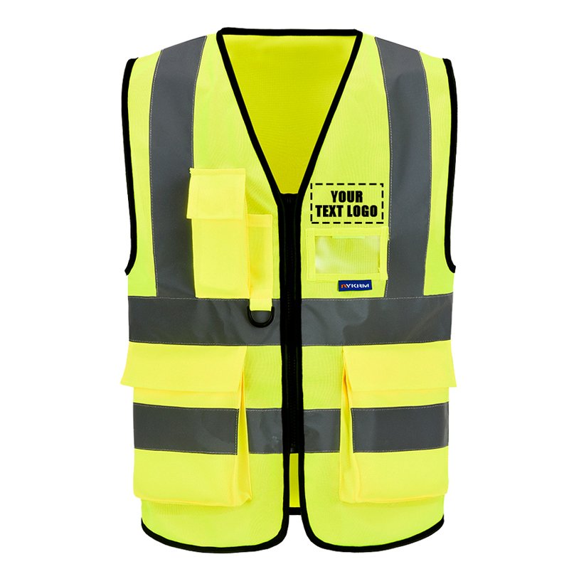 | Text Content | YOUR DESIGH
 | Image Content
 | Text Content | YOUR DESIGH
Back 1 |  | Example | Your Customization | Remarks
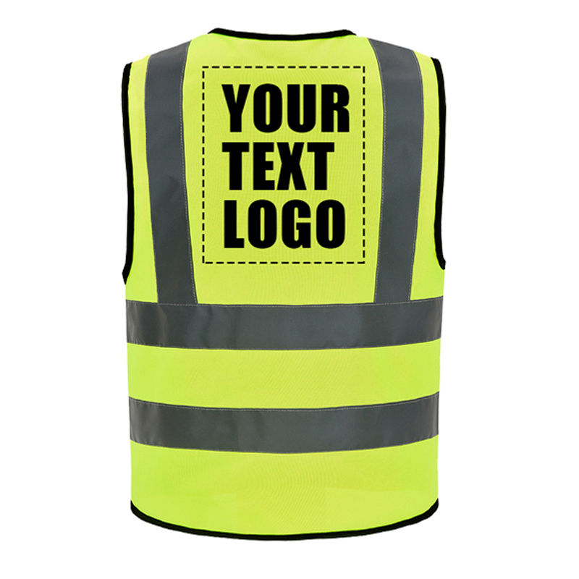 | Text Content | YOUR DESIGH
 | Image Content
 | Text Content | YOUR DESIGH
Back 2 |  | Example | Your Customization | Remarks
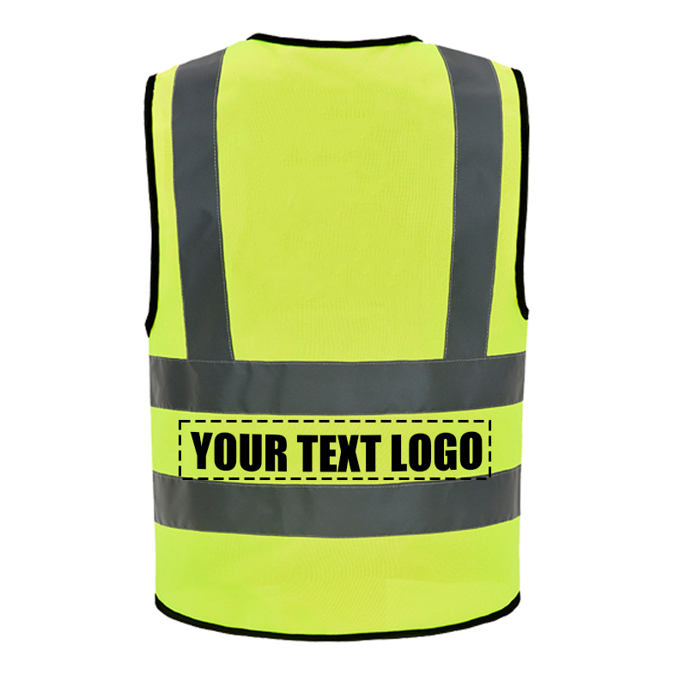 | Customized Content | YOUR DESIGH

Sheet2
 | front design
where we can oem |  | front text | color | text input | choose your text and color | If you have your own logo please put it here
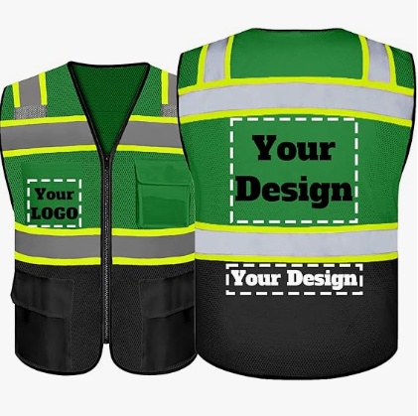 | 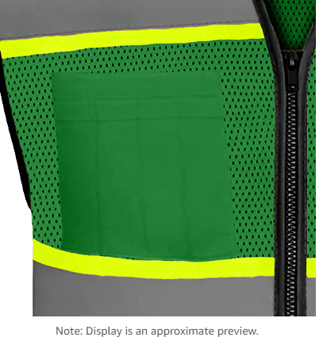 | 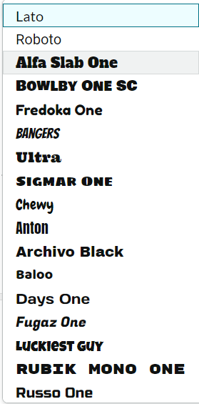 | 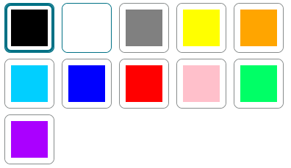
 | back design
where we can oem |  | text on back1 | color | text input | choose your text and color | If you have your own logo please put it here
 | 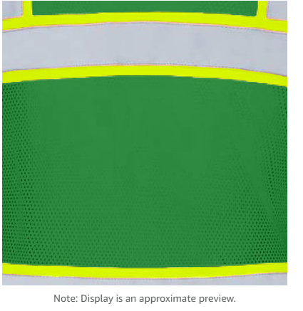
 | back design2
where we can oem |  | text on back2 | color | text input | choose your text and color | If you have your own logo please put it here
 | 